IF Function
Roll Number | Quiz 1 | Quiz 2 | Quiz total | Mid Sem | End Sem | Exam Total | IF function
1234 | 10 | 14 | 24 | 10 | 10 | 20 | Good work |  | IF(G2> 20, "Good Work", "Need to Improve")
1235 | 11 | 13 | 24 | 13 | 14 | 27 | Good work
1236 | 12 | 12 | 24 | 14 | 11 | 25 | Good work
1237 | 13 | 11 | 24 | 12 | 13 | 25 | Good work
1238 | 14 | 10 | 24 | 11 | 12 | 23 | Good work
1239 | 10 | 14 | 24 | 10 | 10 | 20 | Good work
1240 | 11 | 13 | 24 | 13 | 14 | 27 | Good work
1241 | 12 | 12 | 24 | 14 | 11 | 25 | Good work
1242 | 13 | 11 | 24 | 12 | 13 | 25 | Good work
1243 | 14 | 10 | 24 | 11 | 12 | 23 | Good work
1244 | 10 | 14 | 24 | 10 | 10 | 20 | Good work
1245 | 11 | 13 | 24 | 13 | 14 | 27 | Good work
1246 | 12 | 12 | 24 | 14 | 11 | 25 | Good work
1247 | 13 | 11 | 24 | 12 | 13 | 25 | Good work
1248 | 14 | 10 | 24 | 11 | 12 | 23 | Good work

Is non-white | Has over 12 years of school? | Is married? | Has kids? | Has young kids? | Is head of household? | Gets unemployment insurance benefits? | Domestic status | Instructions
TRUE | FALSE | FALSE | TRUE | FALSE | TRUE | TRUE | other
FALSE | FALSE | FALSE | FALSE | FALSE | FALSE | FALSE | other
TRUE | FALSE | FALSE | TRUE | FALSE | TRUE | TRUE | other
FALSE | FALSE | TRUE | FALSE | FALSE | FALSE | FALSE | other
FALSE | FALSE | FALSE | TRUE | TRUE | TRUE | TRUE | other
FALSE | FALSE | TRUE | TRUE | TRUE | FALSE | FALSE | Married with kids
FALSE | FALSE | FALSE | FALSE | FALSE | TRUE | FALSE | other
FALSE | FALSE | FALSE | FALSE | FALSE | TRUE | FALSE | other
FALSE | FALSE | TRUE | TRUE | FALSE | FALSE | TRUE | Married with kids
FALSE | FALSE | FALSE | FALSE | FALSE | FALSE | TRUE | other
FALSE | FALSE | FALSE | FALSE | FALSE | FALSE | TRUE | other
FALSE | FALSE | TRUE | TRUE | TRUE | FALSE | FALSE | Married with kids
FALSE | TRUE | FALSE | FALSE | FALSE | FALSE | TRUE | other
FALSE | FALSE | FALSE | FALSE | FALSE | TRUE | FALSE | other
FALSE | FALSE | TRUE | TRUE | TRUE | FALSE | TRUE | Married with kids
FALSE | FALSE | TRUE | TRUE | TRUE | FALSE | TRUE | Married with kids
TRUE | FALSE | FALSE | TRUE | TRUE | TRUE | FALSE | other
FALSE | FALSE | TRUE | TRUE | FALSE | FALSE | FALSE | Married with kids
FALSE | FALSE | FALSE | TRUE | TRUE | TRUE | TRUE | other
FALSE | FALSE | TRUE | TRUE | FALSE | FALSE | TRUE | Married with kids
FALSE | FALSE | FALSE | FALSE | FALSE | FALSE | TRUE | other
FALSE | FALSE | TRUE | TRUE | FALSE | FALSE | FALSE | Married with kids
FALSE | FALSE | TRUE | TRUE | FALSE | FALSE | TRUE | Married with kids
FALSE | FALSE | TRUE | TRUE | TRUE | FALSE | FALSE | Married with kids

sumif
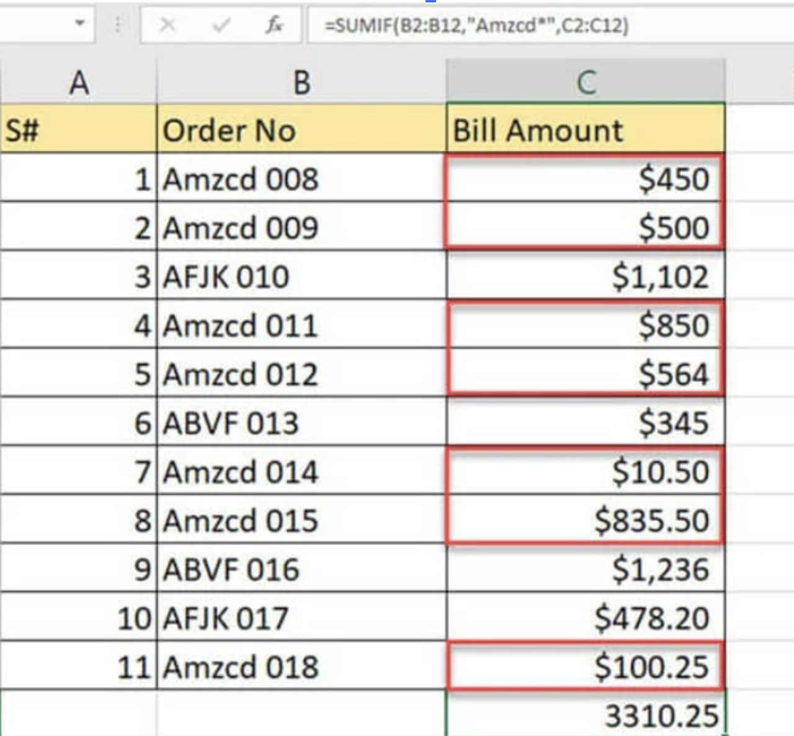
id | Customer | Bill Amount
1 | Oliver | 450
2 | Maya | 500
3 | Ethan | 1,102.00
4 | Maya | 850
5 | liver | 564
6 | Ethan | 345
7 | Maya | 10.5
8 | Ethan | 835.5
9 | Oliver | 1,236.00
10 | Ethan | 478.2
11 | Oliver | 100.25

 | Customer name | Total bill amount
 | Oliver | 1786.25
 | Ethan | 2760.7
 | Maya | 860.5

countif

Data
apples
oranges
peaches
apples
apples
oranges
peaches
apples
apples
oranges
peaches
apples
apples
oranges
peaches
apples
apples
oranges
peaches
apples

INDEX Function
Index Function |  | The INDEX function returns a value or the reference to a value from within a table or range.
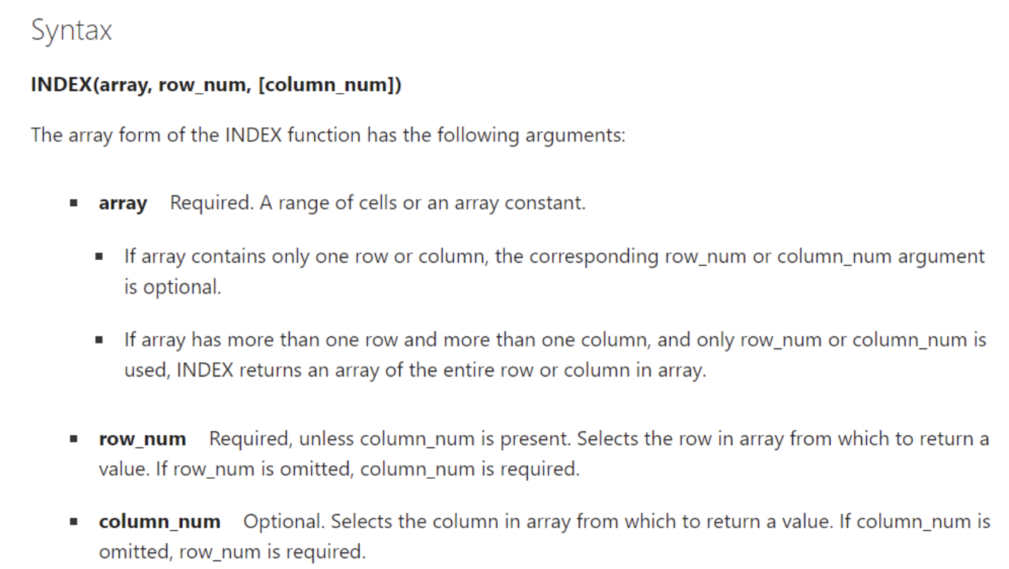
I GET VALUE |  | 1 | 2 | 3 | 4 | 5 | 6
 | 1
 | 2
 | 3 |  | INDIA |  |  | 234
 | 4
 | 5
 | 6

 |  |  | INDIA

Match Function
Match Function |  | The MATCH function searches for a specified item in a range of cells, and then returns the relative position of that item in the range

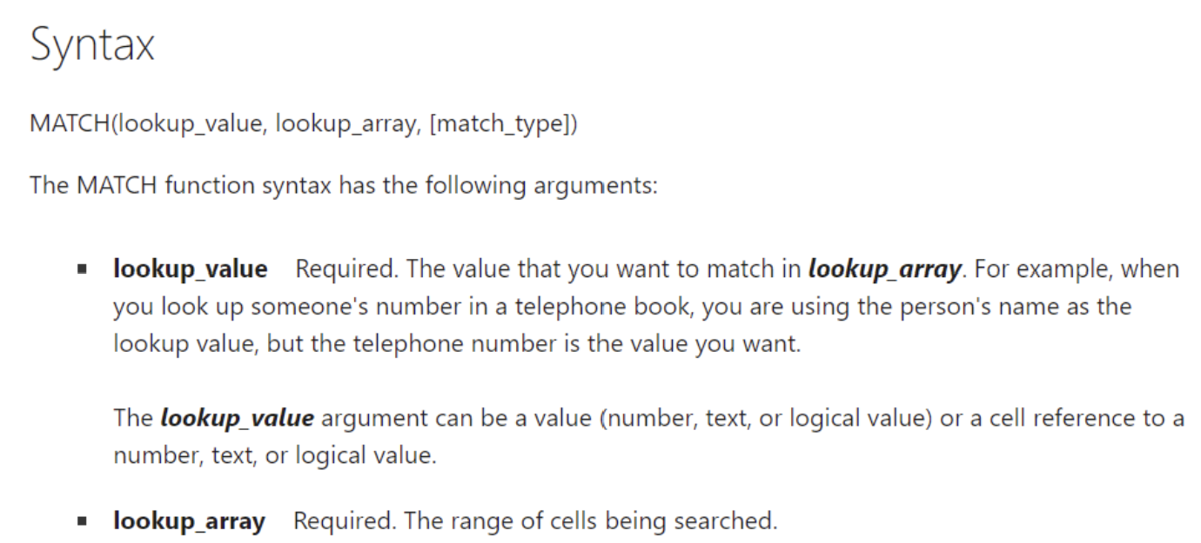
I GET POSITION

 | Fortune Cookie Row: | 6 | 6
 | Sugar |  | 6

 | # | Cookie Type
 | 1 | Birthday Cake
 | 2 | Butterscotch
 | 3 | Chocolate Chip
 | 4 | Fortune
 | 5 | Snickerdoodle
 | 6 | Sugar

